Page 1
LE COQ SPORTIF WINTER VOORRAAD 2017 |  |  | 36 | 37 | 38 | 39 | 40 | 41 | 42 | 43 | 44 | 45 | 46

IMAGE | MODEL | ARTICLE |  |  |  |  |  |  |  |  |  |  |  | TOT | PRICE | RETAIL VALUE
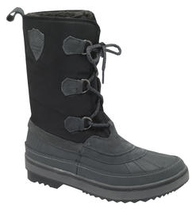 | MOONBOOT DEAN (BLACK) | 01040658.25Y |  |  |  |  |  |  | 26 | 32 | 1 | 1 | 1 | 61 | € 99.95 | € 6,096.95
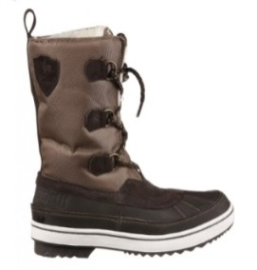 | MOONBOOT DEAN (TAUPE GREY) | 01040658.6BW |  |  |  |  | 3 | 15 | 44 | 6 | 1 | 1 |  | 70 | € 99.95 | € 6,996.50
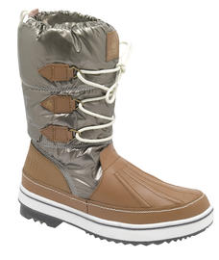 | MOONBOOT MINKA (TAUPE GREY) | 01040633.6BW | 6 | 15 | 23 | 40 | 87 | 29 | 5 |  |  |  |  | 205 | € 99.95 | € 20,489.75
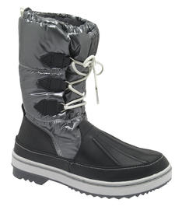 | MOONBOOT MINKA (DARK SHADOW) | 01040633.7ZW | 10 | 30 | 66 | 100 | 99 | 80 | 13 |  |  |  |  | 398 | € 99.95 | € 39,780.10
 |  |  |  |  |  |  |  |  |  |  |  |  |  | 734

